Sheet1
 | Document No. |  | Issue No. | Issue Date |  |  |  | Review and Replace Date |  | Authorised By
 | GFF278MC |  | 1 | 03.05.2022 |  |  |  | New Issue |  | Magda Shah
 | Document Title |  | Carrot and Houmous 120g
Document amendments reason for change | New Launch |  |  | Page 1 of 1 |  |  | Previous Issue Date |  | New Issue | Uncontrolled copy unless signed original

NON-GAS FLASHED PRODUCT
CVCAHU-G1TDG |  | DBS (JO) |  |  | Carrot and Houmous 120g | CHILLED
STEP 1 |  |  |  |  |  | STEP 2
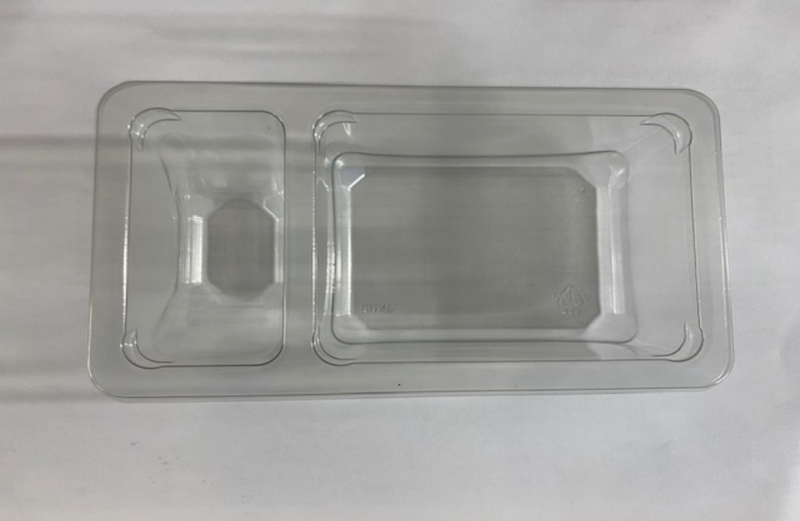

PACK
+ 5 DAYS

Tray: Duo-Pot Tray (PKLEE001-01) |  |  |  |  |  | Houmous Dip (RMDIN001-01): 40g
Film: K-PEEL 7G+ AF 25 (250mm x 1000)(PKKMP001-01)
STEP 3 |  |  |  |  |  | STEP 4

Carrot sticks (RTE) (RMIHF001-76): 80g |  |  |  |  |  | TOTAL WEIGHT: 120g

ALLERGY ALERT: SESAME

